Description
Problem Statement: | To predict distinct daily traffic on the app for the next 15 days, i.e from 2018-05-01 to 2018-05-15 using the data provided in Tabs "Traffic" and "Content Supply" "Content Supply" sheet contains historical data as well as data of dates for which you have to project traffic

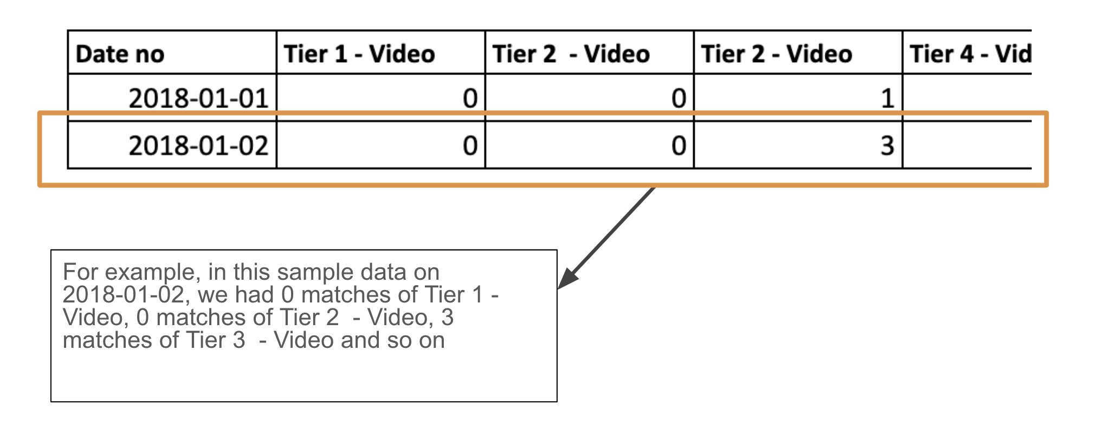
Data Description: | Tab "Traffic" has data related to total users count coming on our FanCode (app*+website) daily. Column description of tab "Traffic" - Column "Date" contains dates for which the user traffic is available and column "Traffic" contains distinct users who were active on the FanCode (app+website) on that day For example, 20,050 distinct users were active on the app on date 2018-01-01 *app refers to ios & android combined
 | Tab "Content Supply" contains data related to active content on that day across different categories. Column description of tab "Content Supply" -
 | Tier 1 - Video | > Supply category without Videos. Supply means the sports content available on the FanCode app & website. 'non video' refer to the print content > tier 1, tier 2.. are the different segments of sporting content available on the FanCode platform (app+website). For example tier 1 can be all Tennis grand slam events in the calendar year, tier 2 can be PGA tour > Supply category with Videos. Supply means the sports content available on FanCode. Here 'video' refer to the live video streaming of sports and related videos
 | Tier 2 - Video
 | Tier 3 - Video
 | Tier 4 - Video
 | Tier 5 - Video
 | Tier 6 - Video
 | Tier 7 - Video
 | Tier 8 - Video
 | Tier 9 - Video
 | Tier 1 - Non Video
 | Tier 2 - Non Video
 | Tier 3 - Non Video
 | Tier 4 - Non Video
 | Tier 5 - Non Video
 | Tier 6 - Non Video
 | Tier 7 - Non Video
 | Tier 8 - Non Video
 | Tier 9 - Non Video

